footprint
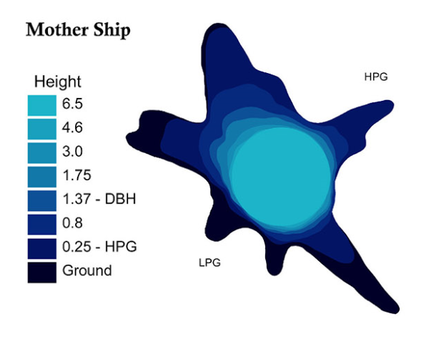
Height | TapeDiameter | CorrectedArea | FunctionalDiameter | Notes
11 | 163 |  | 163 | toes on back of plot datasheet
9.9 | 171.3 |  | 171.3 | 2 yellow tapes at 1.4 and 1.75, 2 white tapes are 2m tall, footprint photos 1420-1482 on Olympus camera
6.5 | 180.4 | 2.5264407669 | 179.3534023
4.6 | 182.3 | 2.5467775771 | 180.07381605 | DTB
3 | 196 | 2.8381358895 | 190.0954194
1.75 | 221 | 3.4207214032 | 208.69589747 | upper wrap, HPG:1.5, LPG:2.0
1.37 | 232.8 | 3.9108152206 | 223.14579519 | lower wrap
0.8 |  | 5.1590233669 | 256.29421693
0.25 |  | 7.8810092652 | 316.77141047
0 |  | 9.9011961208 | 177.52883175
-0.25

